Log In Test
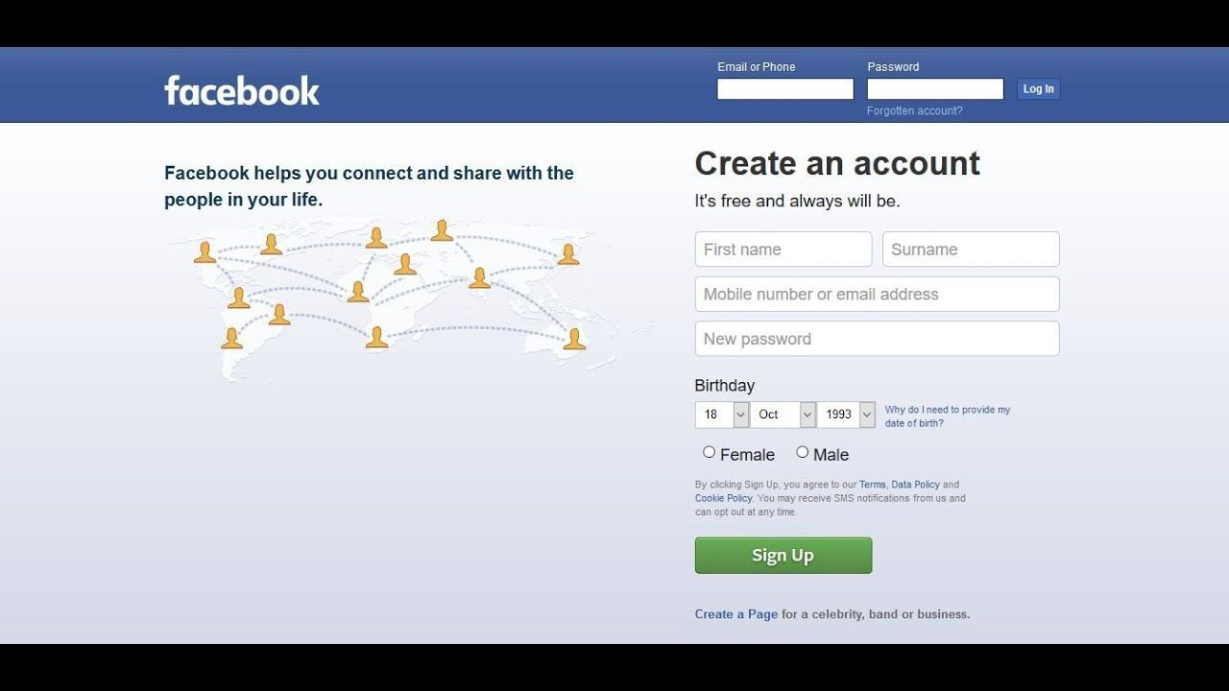
Test Case ID | Test Case Name | Precondition | Test Steps | Test Data | Expected Results | Test Result
ID_01 | Verify that user is logged in with valid email input in field "Email or Phone" and valid password input in field "Password" | Internet connection and web browser | Open browser |  | Browser is opened
 |  | User has facebook account | Type "facebook" in search |  | "facebook" is entered in search
 |  |  | Open facebook LogIn page |  | LogIn page is displayed
 |  |  | Click on field "Email or Phone"
 |  |  | Enter valid email | cemiska89@gmail.com | Email is visible and displayed in field "email or phone"
 |  |  | Click on field "Password"
 |  |  | Enter valid password | Sifra123 | Password is visible and displayed in dots
 |  |  | Click on button LogIn | click on button | User is succesfully logged in and user's facebook page is displayed

ID_02 | Verify that user is logged in with valid phone input in field "Email or Phone" and valid password input in field "Password" | Internet connection and web browser | Open browser |  | Browser is opened
 |  | User has facebook account | Type "facebook" in search |  | "facebook" is entered in search
 |  |  | Open facebook LogIn page |  | LogIn page is displayed
 |  |  | Click on field "Email or Phone"
 |  |  | Enter valid phone | 00381 60 564862 | Phone is visible and displayed in field "email or phone"
 |  |  | Enter valid password | Sifra123 | password is visible and displayed in dots
 |  |  | Click on button LogIn | clik on button | User is succesfully logged in and user's facebook page is displayed

ID_03 | Verify that user cannot log in with invalid email input in field "Email or Phone" and valid password input in field "Password" | Internet connection and web browser | Open browser |  | Browser is opened
 |  | User has facebook account | Type "facebook" in search |  | "facebook" is entered in search
 |  |  | Open facebook LogIn page |  | LogIn page is displayed
 |  |  | Click on field "Email or Phone"
 |  |  | Enter invalid email | cemiska89gmail.com | email is visible and displayed in field "email or phone"
 |  |  | Enter valid password | Sifra123 | password is visible and displayed in dots
 |  |  | Click on button LogIn | clik on button | User is not logged in and there is error message displayed that email is invalid

ID_04 | Verify that user cannot log in with invalid phone number input in field "Email or Phone" and valid password input in field "Password" | Internet connection and web browser | Open browser |  | Browser is opened
 |  | User has facebook account | Type "facebook" in search |  | "facebook" is entered in search
 |  |  | Open facebook LogIn page |  | LogIn page is displayed
 |  |  | Click on field "Email or Phone"
 |  |  | Enter invalid phone number | 00381 754515 | Phone number is visible and displayed in field "email or phone"
 |  |  | Enter valid password | Sifra123 | Password is visible and displayed in dots
 |  |  | Click on button LogIn | clik on button | User is not logged in and there is error message displayed that phone number is invalid

ID_05 | Verify that user cannot log in with valid email input in field "Email or Phone" and invalid password input in field "Password" | Internet connection and web browser | Open browser |  | Browser is opened
 |  | User has facebook account | Type "facebook" in search |  | "facebook" is entered in search
 |  |  | Open facebook LogIn page |  | LogIn page is displayed
 |  |  | Click on field "Email or Phone"
 |  |  | Enter valid email | cemiska89@gmail.com | Email is visible and displayed in field "email or phone"
 |  |  | Enter invalid password | sifra123 | Password is visible and displayed in dots
 |  |  | Click on button LogIn | clik on button | User is not logged in and there is error message displayed that password is invalid

ID_06 | Verify that user cannot log in with valid phone input in field "Email or Phone" and invalid password input in field "Password" | Internet connection and web browser | Open browser |  | Browser is opened
 |  | User has facebook account | Type "facebook" in search |  | "facebook" is entered in search
 |  |  | Open facebook LogIn page |  | LogIn page is displayed
 |  |  | Click on field "Email or Phone"
 |  |  | Enter valid phone number | 00381 60 564862 | Email is visible and displayed in field "email or phone"
 |  |  | Enter invalid password | sifra123 | Password is visible and displayed in dots
 |  |  | Click on button LogIn | clik on button | User is not logged in and there is error message displayed that password is invalid

